Hiearchy View
CLASS: OIL WATER SEPARATOR
equipment used to separate oil and water mixtures into their separate components. |  | 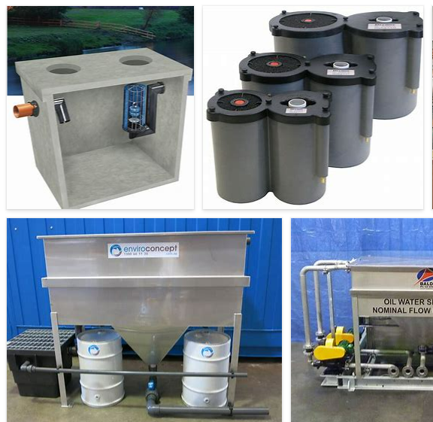
REMOVE | N

PROBLEM_DESC | CAUSE_DESC | REMEDY_DESC
ALARM/SENSOR
BROKEN/DAMAGED
LEAKING
NOISE
OTHER PROBLEM
OVERHEATING
POWER-ELEC
PRESSURE
STOPPED/SLOWED/POOR OPS
TEMP-CTRL
VIBRATION
Grand Total

